Surface Pressure Chart
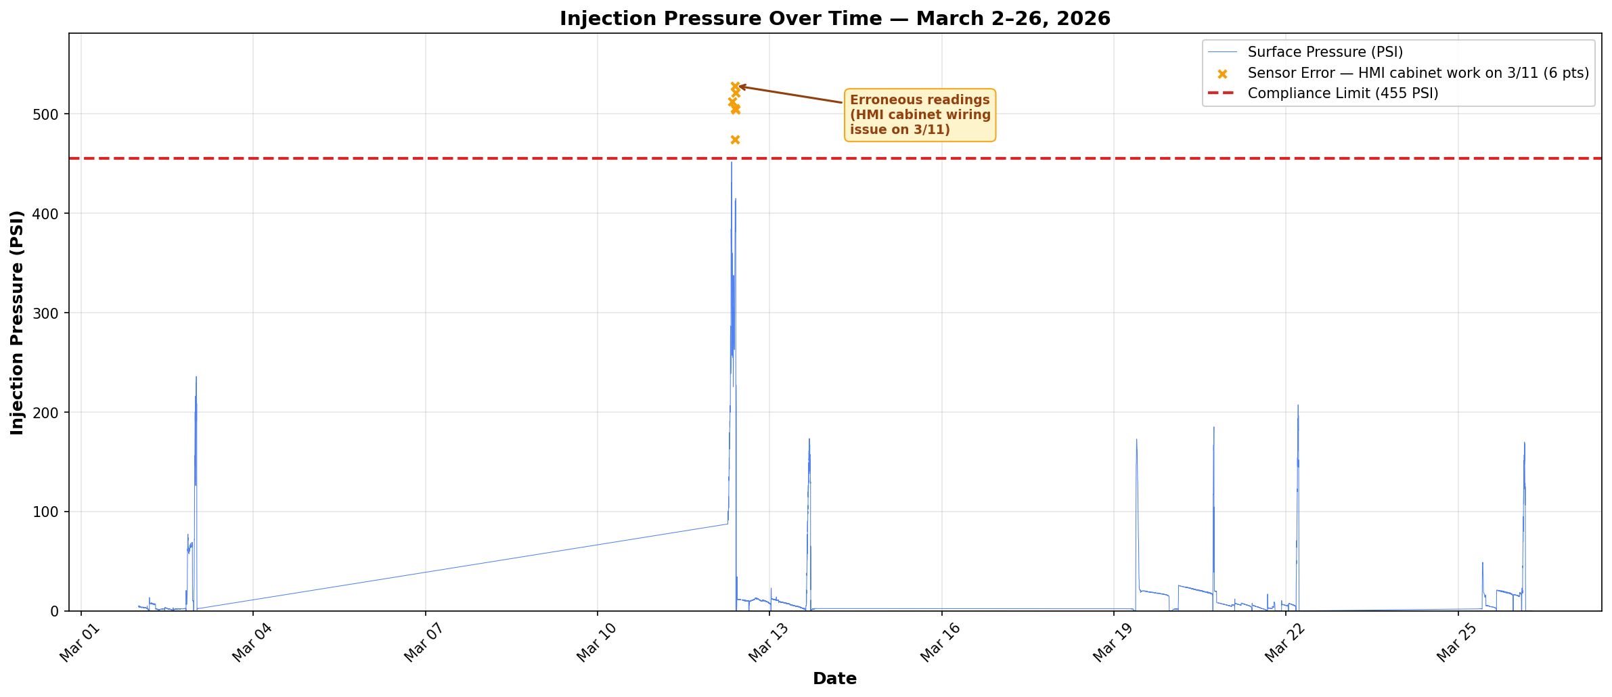

Compliance Limit: 455 PSI — No actual exceedances during reporting period
Note: 6 data points on 3/12 (08:21–09:42 AM) show elevated readings due to erroneous sensor output.
Root cause: IT work in HMI cabinet on 3/11 caused faulty tubing pressure readings the following morning. Confirmed resolved by 09:24 AM.
Ref: #injection-ops-la — Russell Marcantel (3/12 05:45 AM), Lucas Bordelon (3/12 09:24 AM)
Data Range: March 2–26, 2026 | Total Data Points: 5,422

Annular Pressure Chart
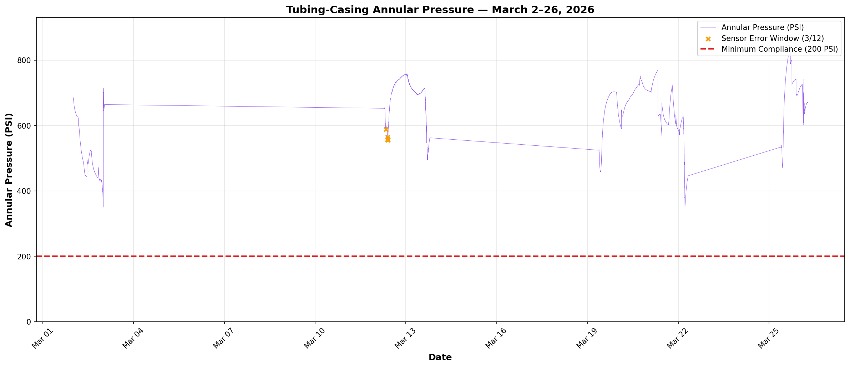

Compliance Floor: 200 PSI minimum annular pressure (Order Item 6)
Result: No violations. Minimum recorded annular pressure: 350.0 PSI (well above 200 PSI floor)
Data Range: March 2–26, 2026 | Total Data Points: 5,411

Pressure Differential Chart
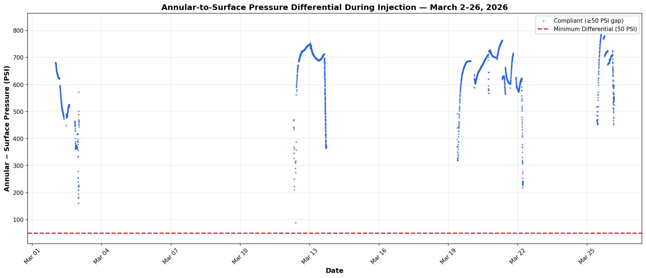

Compliance Requirement: Annular pressure must exceed surface pressure by ≥50 PSI during injection (Order Item 6b)
Result: No violations. Minimum differential during injection: 89.2 PSI. All 4,504 injection data points compliant.
Note: Only data points where injecting = "YES" are included in this analysis.
Data Range: March 2–26, 2026

